TPS2121
Inputs |  |  |  | Instructions:
VIN1 | 12 |  | V | Please edit green shaded cells to resemble your schematic
VIN2 | 12 |  | V | Grey shaded cells are automated outputs, please do not edit
R1 | 18200 | 18.2 | kΩ
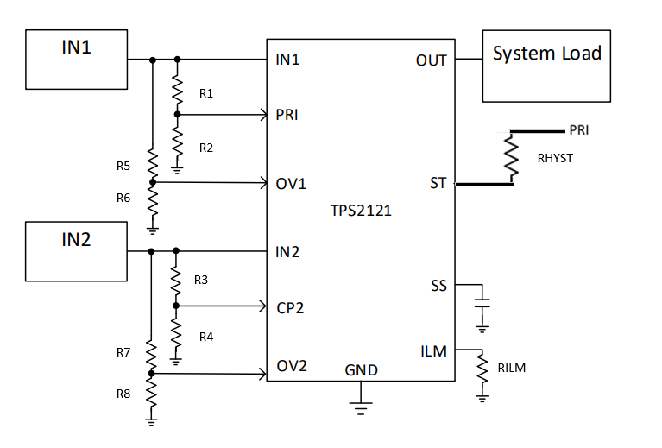
R2 | 5000 | 5 | kΩ
R3 | 49900 | 49.9 | kΩ
R4 | 5000 | 5 | kΩ
RHYST | 10700 | 10.7 | kΩ
Overvoltage Inputs
R5 | 63400 | 63.4 | kΩ
R6 | 5000 | 5 | kΩ
R7 | 63400 | 63.4 | kΩ
R8 | 5000 | 5 | kΩ
Current Limit Inputs
RILM | 51100 | 51.1 | kΩ

Outputs
PR1 at VIN1 DC | 2.5862 |  | V
CP2 at VIN2 DC | 1.0929 |  | V |  | 0.87719298246
IN1 at switchover | 5.0710 |  | V
Switchover using Hysteresis (N/A when not using RHYST)
PR1 R2 when IN2 selected using hysterisis | 3407.6433 |  | kΩ
PR1 when IN2 is selected using hysterisis | 0.7997 |  | V
IN1 voltage needed to switch back to IN1 when IN2 is selected using hysterisis | 6.9300 |  | V
Overvoltage
Vov1 | 14.5008 |  | V
Vov2 | 14.5008 |  | V
Current Limit
ILM | 2.2044345075 |  | A

TPS2116
Inputs |  |  |  | Instructions:
VIN1 | 5 |  | V | Please edit green shaded cells to resemble your schematic
VIN2 | 5 |  | V | Grey shaded cells are automated outputs, please do not edit
R1 | 9530 | 9.53 | kΩ
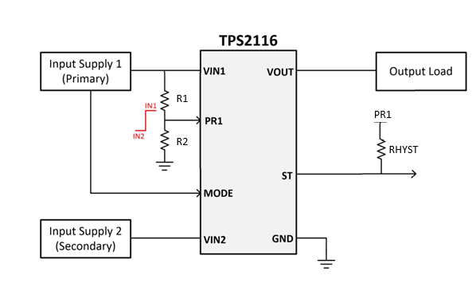
R2 | 5000 | 5 | kΩ
RHYST | 10000 | 10 | kΩ
Vref | 1 |  | V

Outputs
PR1 at VIN1 DC | 1.7206 |  | V
IN1 at switchover | 2.9060 |  | V
Switchover using Hysteresis (N/A when not using RHYST)
PR1 R2 when IN2 selected using hysterisis | 3333.3333 |  | kΩ
PR1 when IN2 selected using hysterisis | 0.7530 |  | V
IN1 voltage needed to switch back to IN1 when IN2 is selected using hysterisis | 3.8590 |  | V

